GHG 2022 - Scope 1&2
Greenhouse Gas Footprint Gurit Holding AG

 | GHG Scope 1 & 2: emissions in tCO₂e (2022, 2021, 2020)
 | GHG footprint calculation based on GHG Protocol, including a total of 34 Gurit sites for fixed base year approach. Greenhouse gas footprint figures for 2020 and for 2021 had to be restated due to structural changes of Gurit and in order to have consistent data set over time. We applied a base year recalculation methodology for structural changes using a fixed base year (2020). Acquired companies are included both with their emissions in the base year (when Gurit did not control these sources yet) and in the following years. Emissions from divested facilities are excluded both with their emissions in the base year (when they were still controlled by the Gurit) and the following years. If no data could be collected back to the base year for an acquired company, the data collected by Gurit for the most recent and complete year was used as a proxy. For two Gurit locations we had to estimate 2022 based on 2021 data because the person in charge of the data collection left the company. The data that was provided for 2021 is still considered adequate as no major changes had taken place in 2022 for these two locations. Additionally, 2020 and 2021 results had to be restated because N2O, CO2 and CH4 emissions reported by Magog were related to Natural gas burning. These emissions were already reported in Stationary Combustion category and were therefore double-counted. |  |  |  |  |  |  |  |  |  |  | Greenhouse Gas Footprint Gurit Holding AG Scope 1 and 2 Charts from Sulytics Tool

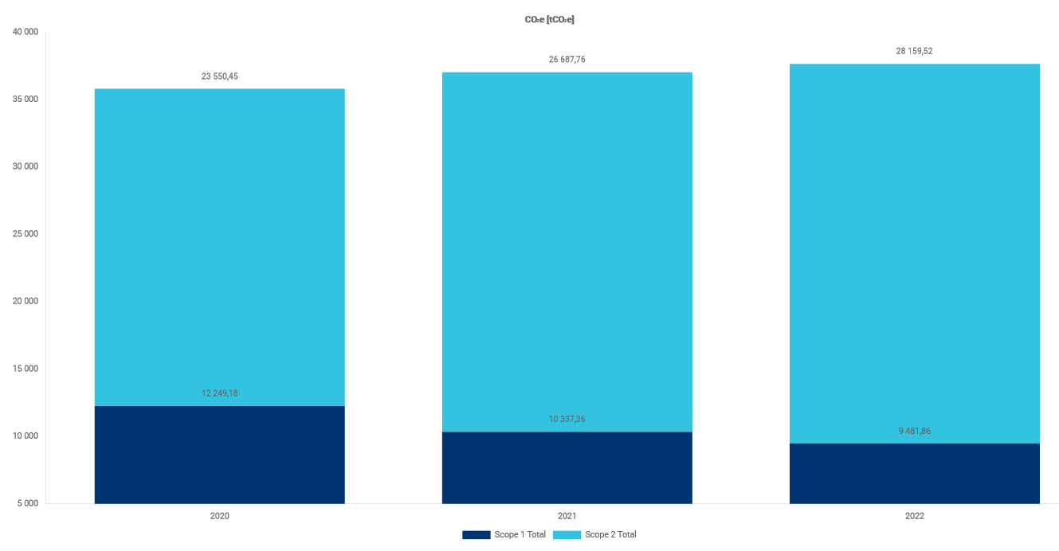
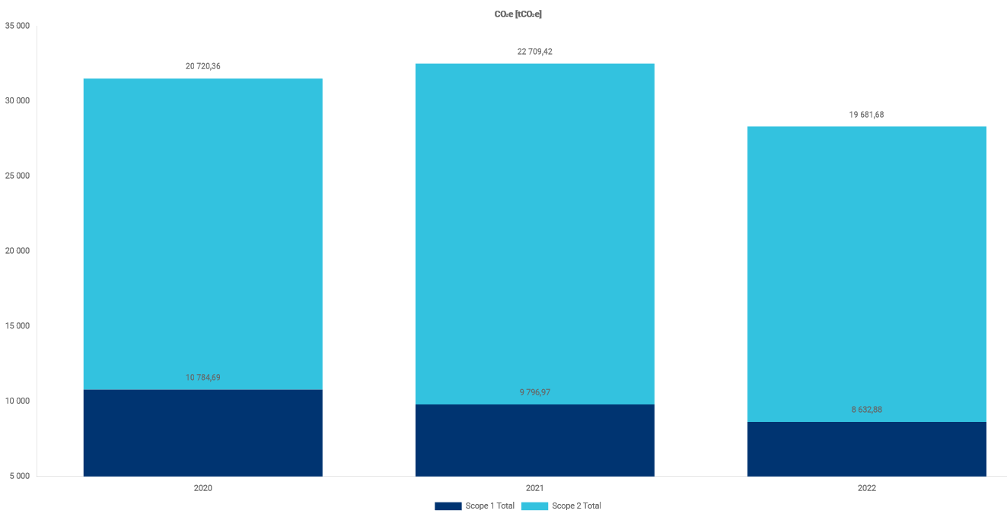
 |  | Reported in 2022 Sustainability Report |  |  | Notes: Explanations for restatements made in 2022 Sustainability Report of previous year data Explanation for 2022 results | Evolution of GHG emissions in % |  |  | Share of 2022 scope 1 & 2 | Share of 2022 Scope 1, 2 & Partial 3 | Share of 2022 total footprint | Calculation based on GHG Protocol, including 34 Gurit sites for fixed base year approach. | Calculation with 20 Legacy sites
 |  | 2022 | 2021 (restated) | 2020 (restated) |  | compared to the reference year: 2020
 | Scope 1 Total | 9,354 | 10,337 | 12,249 | GHG footprint recalculation due to structural changes (acquisition, divestment) and to have consistent data set over time. |  | 2022 | 2021 (restated)
Scope 1 total integrating Compensation purchased in 2021 (140 500 tCO2e) |  | 0 | 0 | 12,249 |  | Scope 1 Total | -23.63% | -15.61% | 24.94% | 7.65% | 1.28%
 | Stationary combustion | 7,980 | 8,457 | 9,748 | Mainly impact of divestment, removed for base year (2020) and for 2021 too. | Stationary combustion | -18.14% | -13.24% | 21.27% | 6.53% | 1.09%
 | Natural gas | 5,460 | 5,847 | 7,027 | Main decrease comes from 1 site, production line output is less than 2021. | Mobile combustion | -39.45% | -27.97% | 1.81% | 0.56% | 0.09%
 | Heating oil | 0 | 0 | 8 |  | Process emissions | -21.58% | 31.79% | 1.29% | 0.40% | 0.07%
 | Methane | 1,239 | 1,311 | 1,357 | Methane only used in 1 site. | Fugitive emissions | -72.37% | -66.10% | 0.56% | 0.17% | 0.03%
 | Liquefied petroleum gas (LPG) | 5 | 8 | 8 |  | Scope 2 Total | 19.57% | 13.32% | 75.06% | 23.03% | 3.84%
 | Wood | 107 | 0 | 0 | Wood burned for stationary energy in 1 site. | Electricity | 20.41% | 14.16% | 73.57% | 22.57% | 3.76%
 | Diesel | 1,153 | 1,256 | 1,283 | Decrease mainly comes from 1 site. | District heating | -10.83% | -17.05% | 1.50% | 0.46% | 0.08%
 | Petrol | 18 | 35 | 64 |  | Scope 1 & 2 Total | 4.79% | 3.42% |  | 30.68% | 5.12%
 | Mobile combustion | 679 | 808 | 1,122
 | Diesel | 402 | 500 | 792 | Diesel forklifts replaced by Electrical ones in 1 site. Gas fleet of forklift trucks has been removed in 1 site.
 | Petrol/gasoline | 195 | 193 | 303 |  | Year-to-year evolution of footprint
 | Natural Gas | 0 | 0 | 3
 | Liquefied petroleum gas (LPG) | 82 | 115 | 24 | Decrease mainly comes from 2 sites. |  | From 2021 to 2022 | From 2020 to 2021 (restated)
 | Process emissions | 484 | 814 | 618 |  | Scope 1 Total | -9.51% | -15.61%
 | N2O | 50 | 0 | 1 | N2O emissions reported in 2020 and 2021 by 1 site were related to Natural gas burning, so had aready been double counted in Stationary Combustion. N2O reported by 1 site in 2022. | Stationary combustion | -5.64% | -13.24%
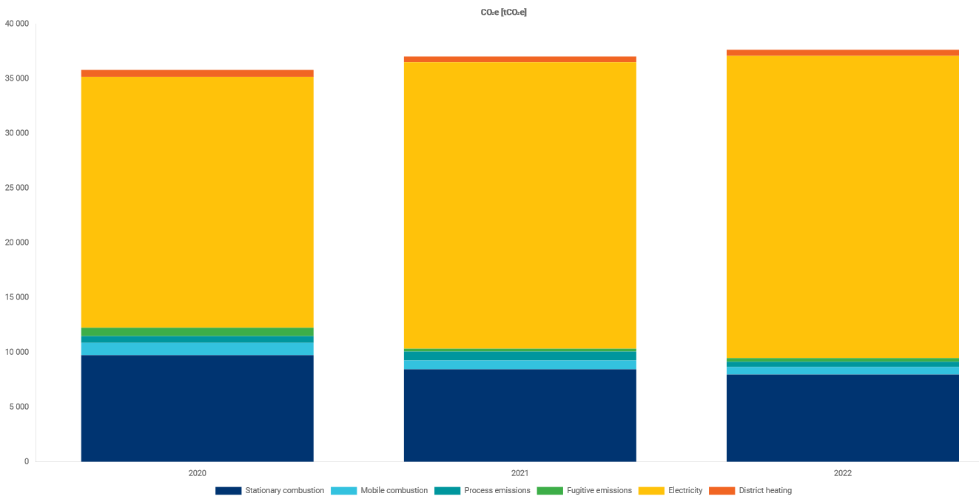
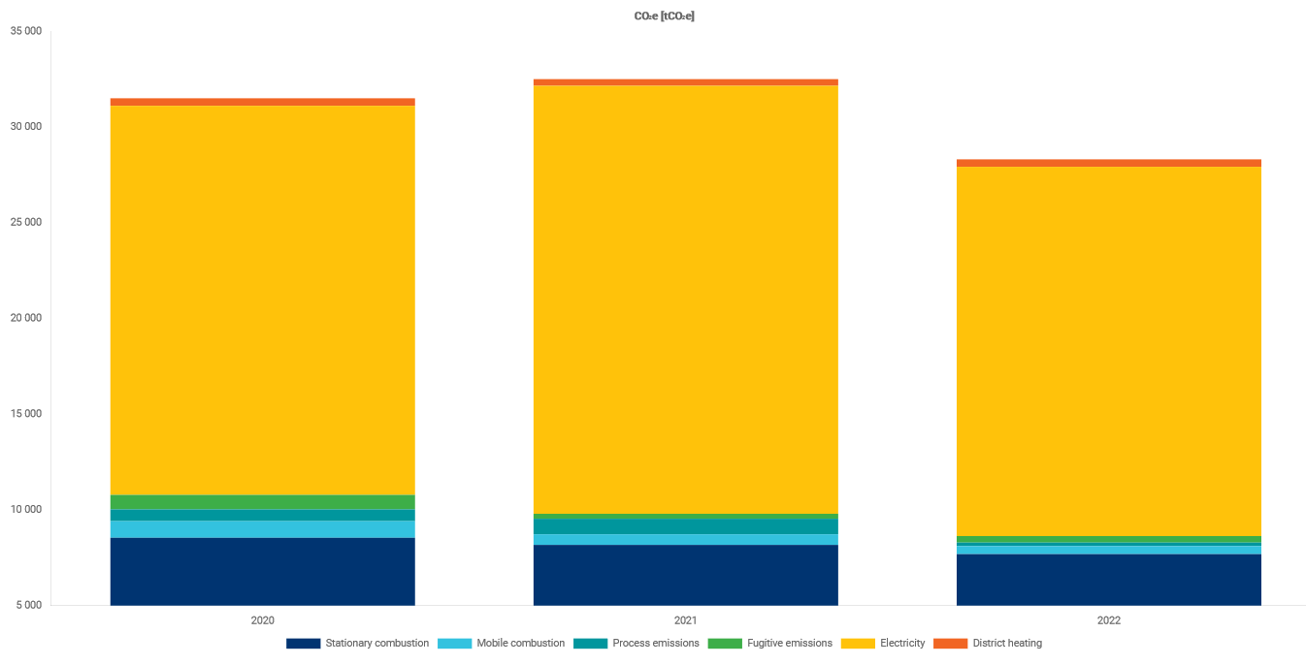
 | CO2 | 0 | 0 | 0 | N2O emissions reported in 2020 and 2021 by 1 site was related to Natural gas burning, and so had aready counted in Stationary combustion. | Mobile combustion | -15.94% | -27.97%
 | Cyclopentane | 250 | 601 | 490 | Cyclopentane is used in 2022 by 1 site. | Process emissions | -40.50% | 31.79%
 | Other process emissions | 184 | 213 | 126 | CH4 emissions reported in 2020 and 2021 by 1 site was related to Natural gas burning, and so had aready counted in Stationary combustion. | Fugitive emissions | -18.49% | -66.10%
 | Fugitive emissions | 210 | 258 | 762 |  | Scope 2 Total | 5.51% | 13.32%
 | Acrylonitrile | 3 | 21 | 18 | Regarding the acrylonitrile, the production volume has dropped through 2022 vs 2021 due to a related product phase out explaining the reduction. | Electricity | 5.48% | 14.16%
 | HFC-134 | 0 | 0 | 0 |  | District heating | 7.50% | -17.05%
 | HFC-410A | 0 | 15 | 6 | No HFC-410A in 2022, data confirmed. | Scope 1 & 2 Total | 1.32% | 3.42%
 | R-22 | 143 | 141 | 365
 | Other fugitive emissions | 65 | 82 | 373
 | Scope 2 Total | 28,160 | 26,688 | 23,550
Scope 2 total integrating EAC renewable energy certificates purchased in 2021 (28 000 tCO2e) |  | 26,325 | 523 | 23,550
Scope 2 total integrating Compensation purchased in 2021 (140 500 tCO2e) |  | 0 | 0
 | Electricity | 27,598 | 26,165 | 22,920 | Increase comes mainly from 2 new sites ramping up their production.
 | District heating | 562 | 523 | 630

Scope 1 & 2 Total |  | 37,514 | 37,025 | 35,800

www.gurit.com/ghg

Last updated: 28.2.2023
Contact: sustainability@gurit.com

GHG 2022 - Scope 3
Greenhouse Gas Footprint Gurit Holding AG

 |  | GHG Scope 3 (indirect emissions) in tCO₂e
 |  | Calculation based on GHG Protocol, including 34 current and former Gurit sites for fixed base year approach. Greenhouse gas footprint figures for 2020 and for 2021 had to be restated due to structural changes of Gurit and in order to have consistent data set over time. We applied a base year recalculation methodology for structural changes using a fixed base year (2020). Acquired companies are included both with their emissions in the base year (when Gurit did not control these sources yet) and in the following years. Emissions from divested facilities are excluded both with their emissions in the base year (when they were still controlled by the Gurit) and the following years. If no data could be collected back to the base year for an acquired company, the data collected by Gurit for the most recent and complete year was used as a proxy. For two Gurit locations we had to estimate 2022 based on 2021 data because the person in charge of the data collection left the company. The data that was provided for 2021 is still considered adequate as no major changes had taken place in 2022 for these two locations. Additionally, 2020 and 2021 results had to be restated because N2O, CO2 and CH4 emissions reported by 1 site were related to Natural gas burning. These emissions were already reported in Stationary Combustion category and were therefore double-counted. |  |  |  |  |  |  |  |  |  |  |  |  | Greenhouse Gas Footprint Gurit Holding AG Scope 3 Charts from Sulytics Tool

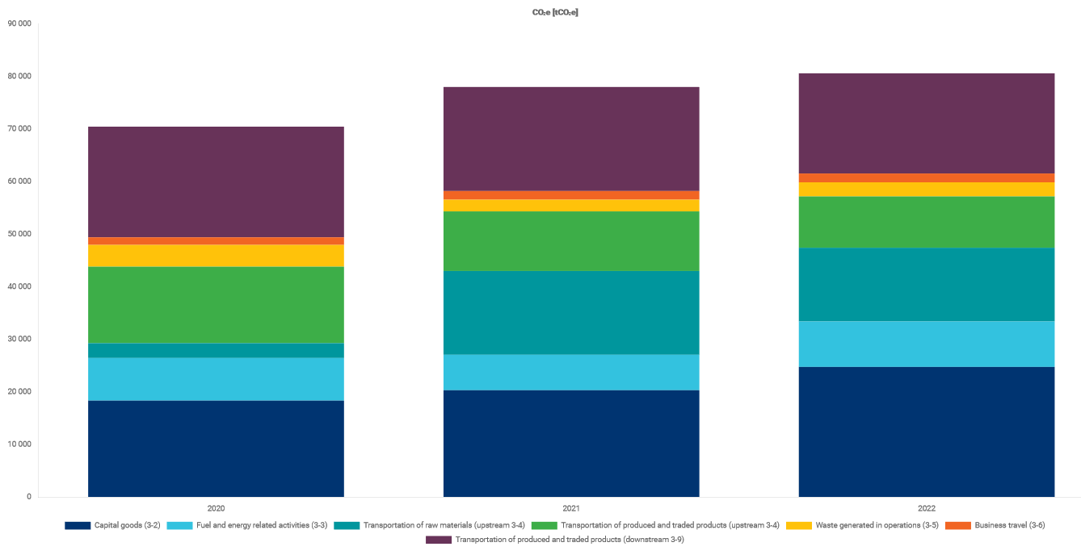
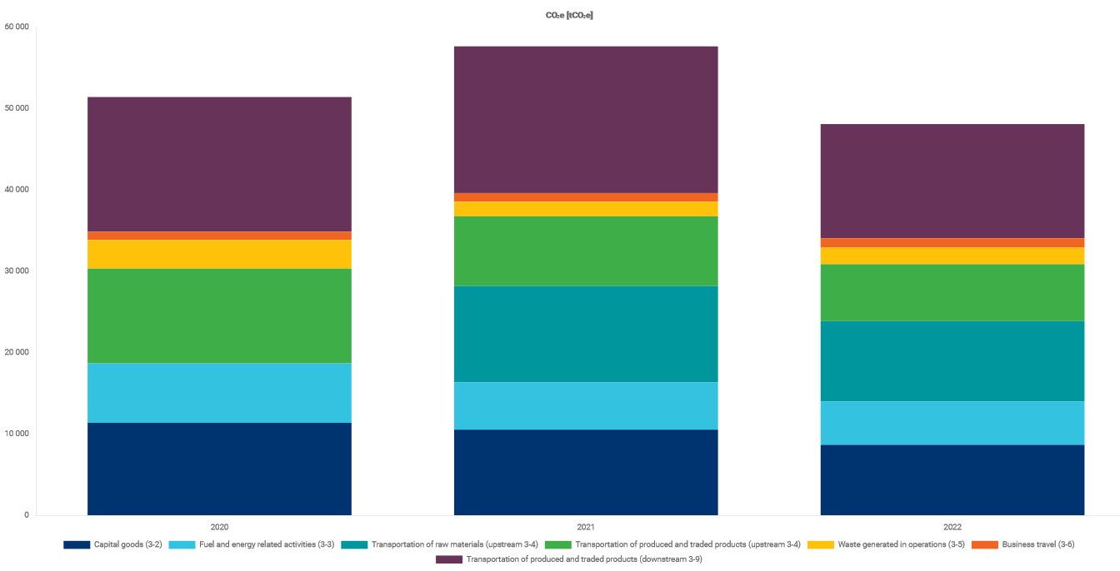
 |  |  |  |  |  |  | Evolution of the results in % |  |  | Share of 2022 PARTIAL scope 3 | Share of 2022 scope 3 | Share of 2022 Scope 1, 2 & PARTIAL 3 | Share of 2022 total footprint |  | Calculation based on GHG Protocol, including 34 Gurit sites for fixed base year approach. | Calculation with 20 Legacy sites
 |  |  | Reported in 2022 Sustainability Report |  |  | Notes: Explanations for restatements made in 2022 Sustainability Report of previous year data Explanation for 2022 results | compared to the reference year: 2020
 |  |  | 2022 | 2021 (restated) | 2020 (restated) |  |  | 2022 | 2021 (restated) |  |  |  |  | PARTIAL SCOPE 3
Scope 3 (partial) Total |  |  | 84,753 | 80,784 | 73,991 | GHG footprint recalculation due to structural changes (acquisition, divestmest) and to have consistent data set over time. | Scope 3 Total | -13.09% | 7.99% |  | 100.00% |  | 94.88%
Scope 3 (partial) total integrating Compensation purchased in 2021 (140 500 tCO2e) |  |  | 71,576 | 0 | 73,991 |  | Scope 3 (partial) Total | 14.55% | 9.18% | 100.00% | 12.18% | 69.32% | 11.56%
3-2 |  | Capital goods | 24,734 | 20,305 | 18,330 |  | Purchased goods | -15.43% | 8.65% |  | 86.93% |  | 82.48%
 |  | Machinery and Equipment | 16,480 | 15,235 | 16,056 |  | Capital goods | 34.94% | 10.78% | 29.18% | 3.56% | 20.23% | 3.37%
 |  | Office machinery and Computers | 6,829 | 2,932 | 2,186 | New greenfield site opened in 2022. | Fuel and energy related activities | 6.75% | -16.81% | 10.22% | 1.24% | 7.08% | 1.18%
 |  | Vehicles | 9 | 20 | 35 |  | Transportation of raw materials (upstream) | - | - | 16.54% | 2.01% | 11.46% | 1.91%
 |  | Other capital goods | 1,416 | 2,118 | 53 |  | Transportation of produced and traded products (upstream) | -32.86% | -22.05% | 11.52% | 1.40% | 7.99% | 1.33%
3-3 |  | Fuel and energy related activities | 8,659 | 6,747 | 8,111 |  | Transportation of produced and traded products (downstream) | -9.48% | -5.96% | 22.48% | 2.74% | 15.59% | 2.60%
3-4 | Transportation of raw materials (upstream) |  | 14,016 | 15,937 | 2,825 |  | Waste generated in operations | -34.98% | -46.23% | 3.17% | 0.39% | 2.20% | 0.37%
 | Transportation of produced and traded products (upstream) |  | 9,764 | 11,337 | 14,544 |  | Business travel | 15.66% | 13.89% | 1.98% | 0.24% | 1.37% | 0.23%
3-9 | Transportation of produced and traded products (downstream) |  | 19,056 | 19,795 | 21,051 |  | Employees commuting | 17.25% | -21.38% | 4.91% | 0.60% | 3.40% | 0.57%
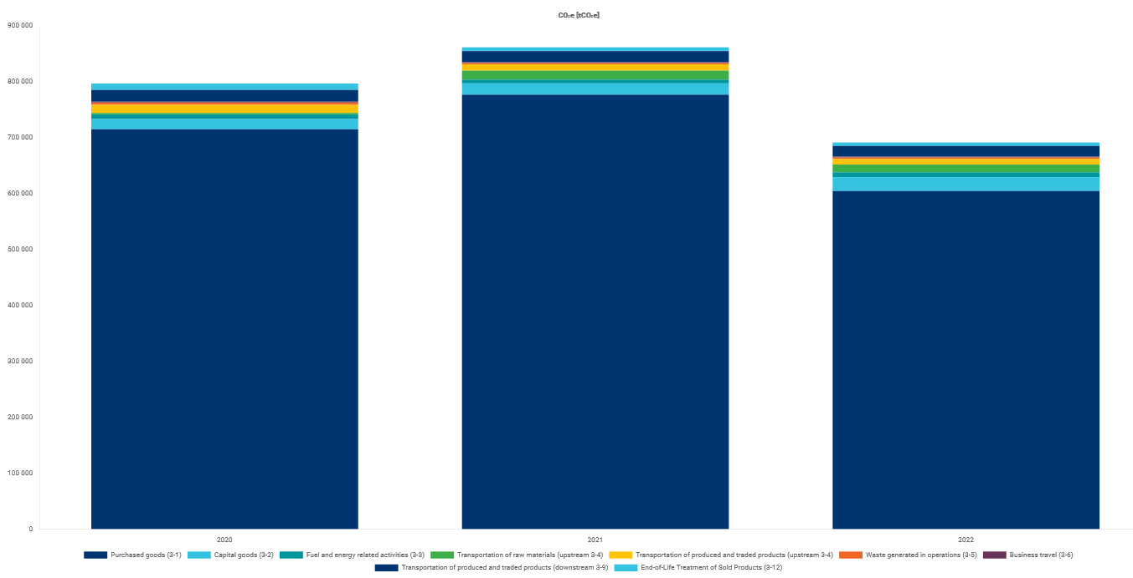
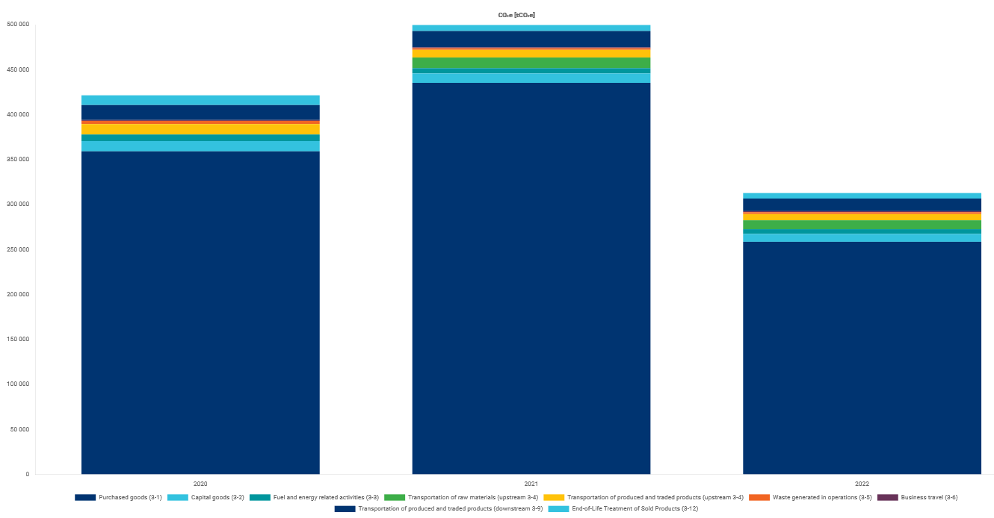
3-5 |  | Waste generated in operations | 2,686 | 2,221 | 4,132 |  | End-of-Life Treatment of Sold Products | -46.02% | -40.65% |  | 0.89% |  | 0.84%
3-6 |  | Business travel | 1,678 | 1,652 | 1,450 |  |  |  |  |  |  |  |  | FULL SCOPE 3
 |  | Flights | 757 | 1,207 | 1,080 | Decrease of flights could be linked to 2022 flights data from Concur export not exploitable.
 |  | Accommodation | 920 | 445 | 370 | Increase mainly due to 1 site. | Annual evolution
3-7 | Employees commuting |  | 4,160 | 2,790 | 3,548 | Increase of Employees commuting mainly related to new sites opened / aquired in 2022. |  | From 2021 to 2022 | From 2020 to 2021 (restated)
 |  |  |  |  |  |  | Scope 3 Total | -19.53% | 7.99%
 | Further Scope 3 |  |  |  |  |  | Scope 3 (partial) Total | 4.91% | 9.18%
3-1 | Purchased goods |  | 604,772 | 776,952 | 715,086 |  | Purchased goods | -22.16% | 8.65%
 |  | Raw materials (from virgin sources or unknown) | 507,688 | 716,592 | 696,802 | Important part is related to carbon fiber purchased. | Capital goods | 21.81% | 10.78%
 |  | Raw materials (mainly from recycled sources) | 96,458 | 56,105 | 18,199 |  | Fuel and energy related activities | 28.33% | -16.81%
 |  | Raw materials (bio-based) | n.a. | n.a. | n.a. |  | Transportation of raw materials (upstream) | -12.05% | -
 |  | Packaging materials | 627 | 4,255 | 85 | Decrease could be due to missing data for some sites. | Transportation of produced and traded products (upstream) | -13.87% | -22.05%
3-11 |  | Use of sold products | n.a. | n.a. | n.a. |  | Transportation of produced and traded products (downstream) | -3.74% | -5.96%
3-12 |  | End-of-Life Treatment of Sold Products | 6,195 | 6,811 | 11,476 |  | Waste generated in operations | 20.92% | -46.23%
 |  | PET | 4,253 | 3,943 | 8,598 |  | Business travel | 1.56% | 13.89%
 |  | Balsa wood | 264 | 376 | 264 |  | Employees commuting | 49.14% | -21.38%
 |  | SAN | 23 | 17 | 61 |  | End-of-Life Treatment of Sold Products | -9.05% | -40.65%
 |  | PVC | 0 | 0 | 0 | Gurit just resells traded PVC, no EoL data available
 |  | Others | 1,655 | 2,475 | 2,553 | (incl. Composites, Flax, Iron, Liquids (Resins), Machines, Plastic mix, Steel)

Total Scope 3 |  |  | 695,720 | 864,547 | 800,552

Footprint (Scope 1, Scope 2 and PARTIAL Scope 3) |  |  | 122,267 | 117,809 | 109,790

Total Footprint (Scope 1, 2 and 3) |  |  | 733,234 | 901,572 | 836,352

www.gurit.com/ghg

Last updated: 28.2.2023
Contact: sustainability@gurit.com

